Overview
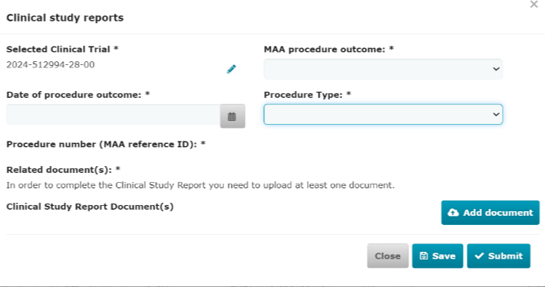
Official address Domenico Scarlattilaan 6 ● 1083 HS Amsterdam ● The Netherlands
Address for visits and deliveries Refer to www.ema.europa.eu/how-to-find-us
Send us a question Go to www.ema.europa.eu/contact Telephone +31 (0)88 781 6000
An agency of the European Union

2025-07-09
EMA/297654/2021
Clinical Trials Information System (CTIS) programme

CTIS Structured data form - Notifications and Results
Sponsor support material
Last updated: 23 October 2025

 | This document provides guidance on the data fields Sponsors will fill in the 'Notifications', 'Results' and 'Clinical Study Report' sections in CTIS. This document contains screenshots of the system (CTIS software version 0.18.35.3).

 | Document layout overview
 |  | A. Each excel sheet is composed of the different notification forms available in the section 'Notifications', please see highlighted below:

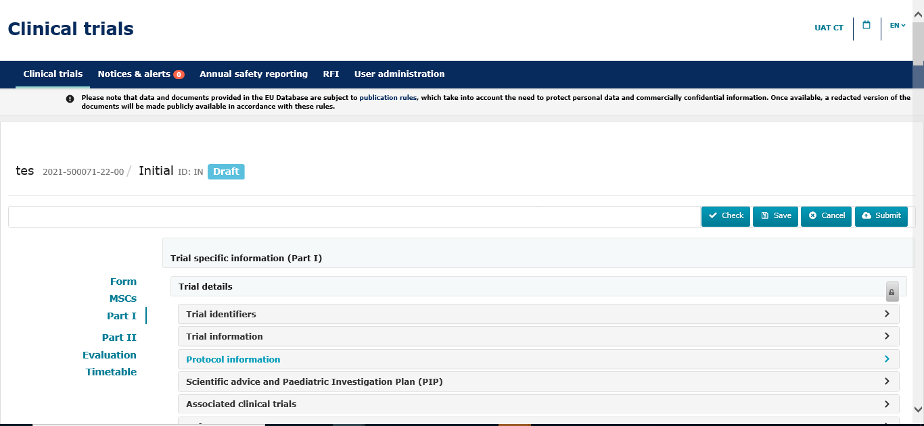
 |  | B. In each excel sheets, 'fields' are distinguished from 'documents' through color coding
 |  |  |  | Colour code:
 |  |  |  |  | Documents to be uploaded
 |  |  |  |  | Data fields to be completed

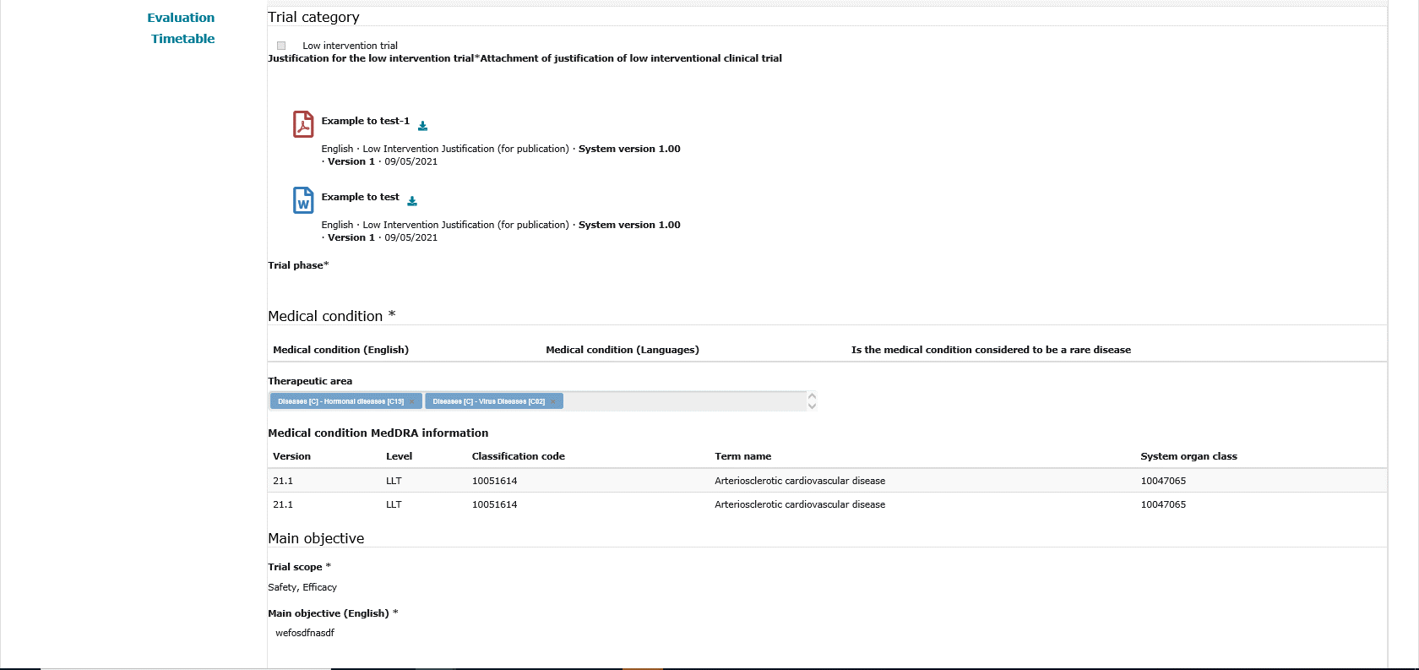

 |  |  |  | Documents to be uploaded

 |  |  |  | Fields to be filled in

 |  | C. Each excel sheet will be composed by the following columns

 |  | ID | Reference of the data field
 |  | Field Type | Type of field (Header, Lookup list, Radio button, Text, Numeric, Document upload)
 |  | Field Name | Field name in CTIS
 |  | Field Description | Brief description of the field
 |  | Cardinality | Information on whether the data input in the field is 0, 1, or many
 |  | Conformance | Information on whether the field/document is Conditionally required, Optional, Mandatory, Read Only
 |  | Document format | Specific format (.PDF, .Doc, etc) in which the document may be uploaded, when applicable.
 |  | Publication | Information on whether the field/document will made public (yes/no)

 |  | D. Data fields and documents specifications

 |  | When populating clinical trial information in CTIS, the following points should be considered:

 |  | 1) As a general rule, there is a limitation of 4000 characters for manual data free-text fields. Nevertheless, there are certain fields following masked values, i.e. PIP number (EMEA-111111-PIP11-11)
 |  | or fields with smaller sizes. These are further detailed in the column " field description" of each text field.

 |  | 2) The lookup lists present in the different sections contain the CTIS list values number in the column "field description". Sponsors should refer to the "CTIS list values" document to see the elements
 |  | of each lookup list.

 |  | 3) According to the current functional specifications, the system will allow for a maximum attachment size of 50 MB per each clinical trial file (kindly note that the current software version allows a
 |  | maximum size of documents of 10 MB), 10 MB for Annual Safety Reports (ASR) documents and a maximum size of 220 GB for storage of a clinical trial.

 |  | 4) Documents submitted together with notifications are never subject to publication. Publication of results documents is specified in the relevant sheet

 | Notification submission confirmation
 |  | For each notification, the system will ask for submission confirmation. The process is shown below as an example:
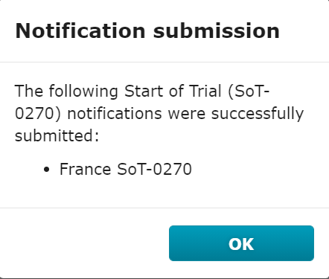
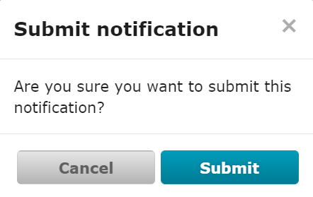

 | Notifications related to trial and recruitment periods
 |  | In order to see the notifications related to trial and recruitment periods, the user will need to select it in the below dashboard in CTIS:

 |  | 1. Start of trial notification
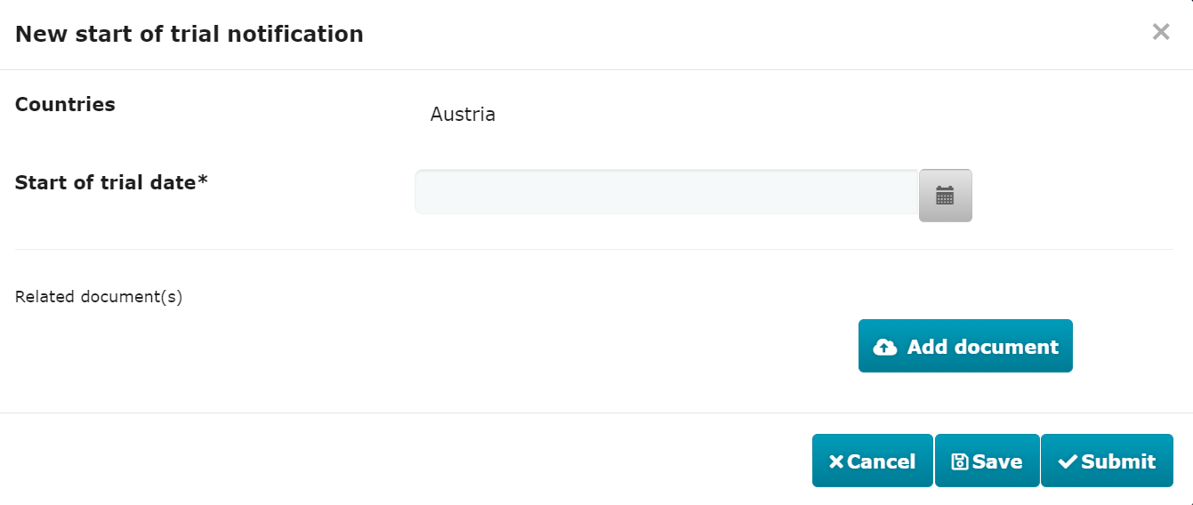

 |  | 2. End of trial notification
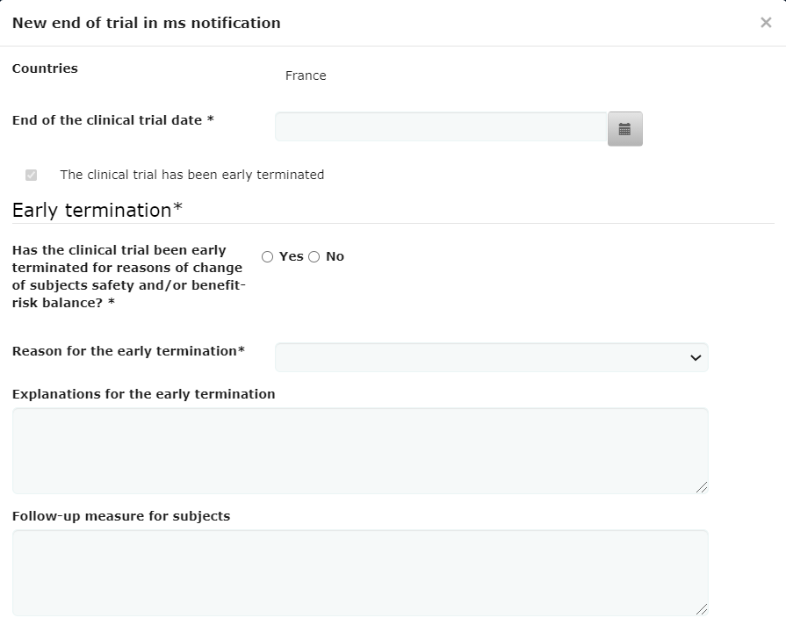

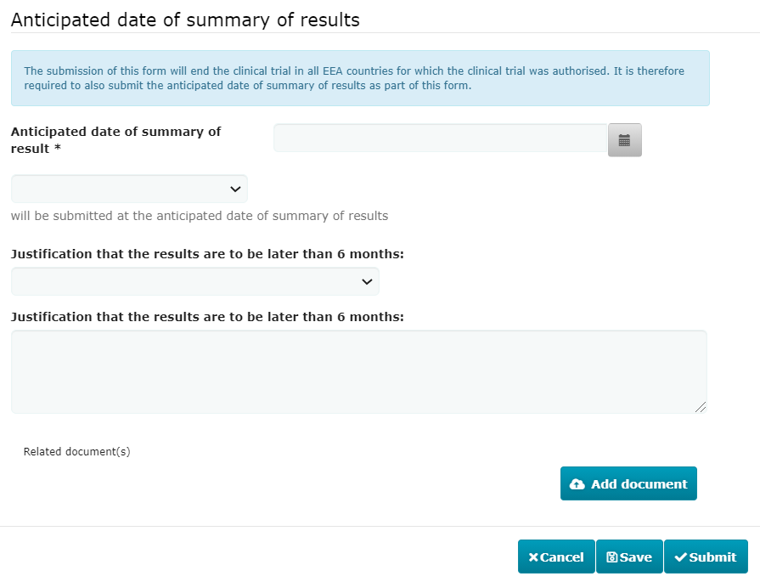

 |  | 3. Restart of trial notification
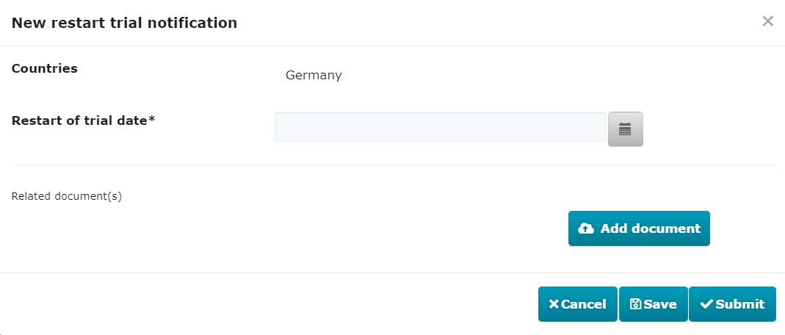

 |  | 4. Temporary halt notification

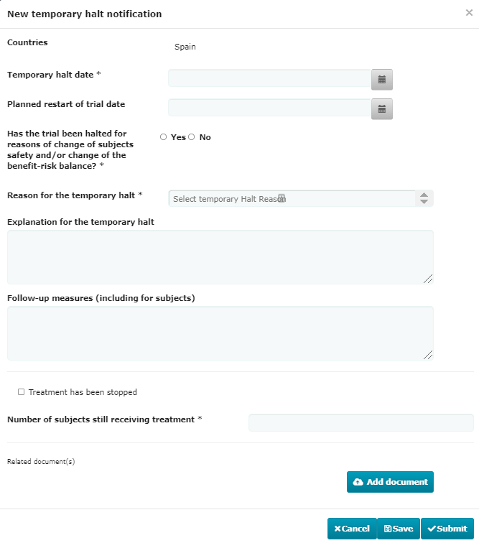

 |  | 5. Start of recruitment notification

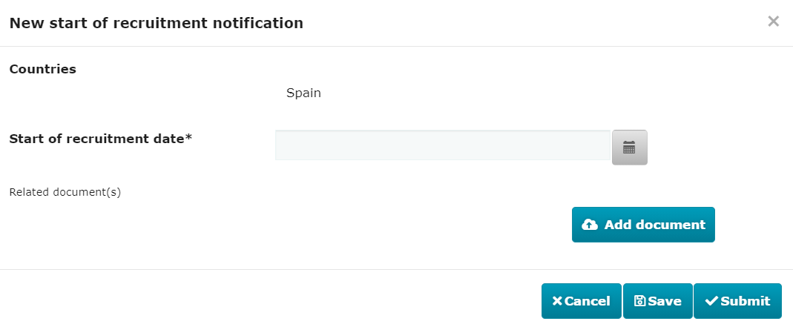

 |  | 6. End of recruitment notification

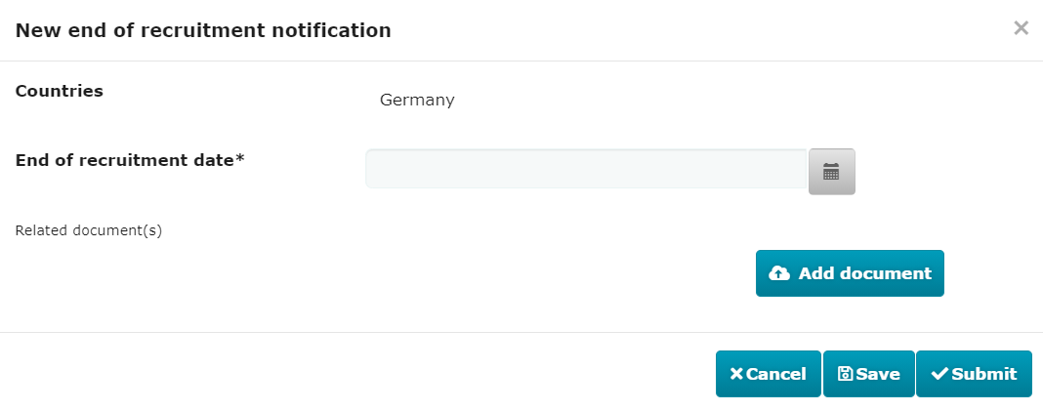

 |  | 7. Restart of recruitment notification
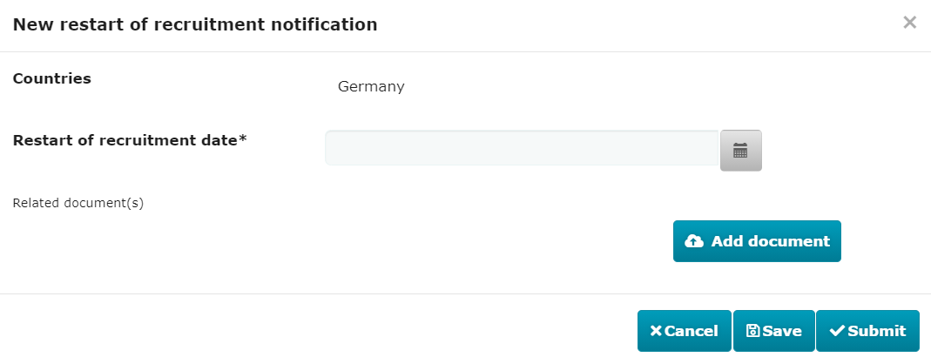

 | Information related to the End of trial in EEA, Anticipated date of summary results and Global End of trial

 |  | The availability to submit the anticipated date of summary results information and the Global End of Trial notification is conditional.
 |  | i.e: the Update results date form will be activated as soon as the sponsor submits the first End of Trial MSC.

 | Submit ASR |  |  |  |  |  |  |  |  | 6. Screenshot of Clinical trial Search in ASR Submisstion (step 2), last sheet of the present document
 |  | 1. Screenshot of the 'ASR Submission' section |  |  |  | 2. Screenshot of the step 1 - 'ASR Submission' section | 3. Screenshot of the step 2 - 'ASR Submission' section | 4. Screenshot of the step 3 - 'ASR Submission' section | 5. Screenshot of the step 4 - 'ASR Submission' section
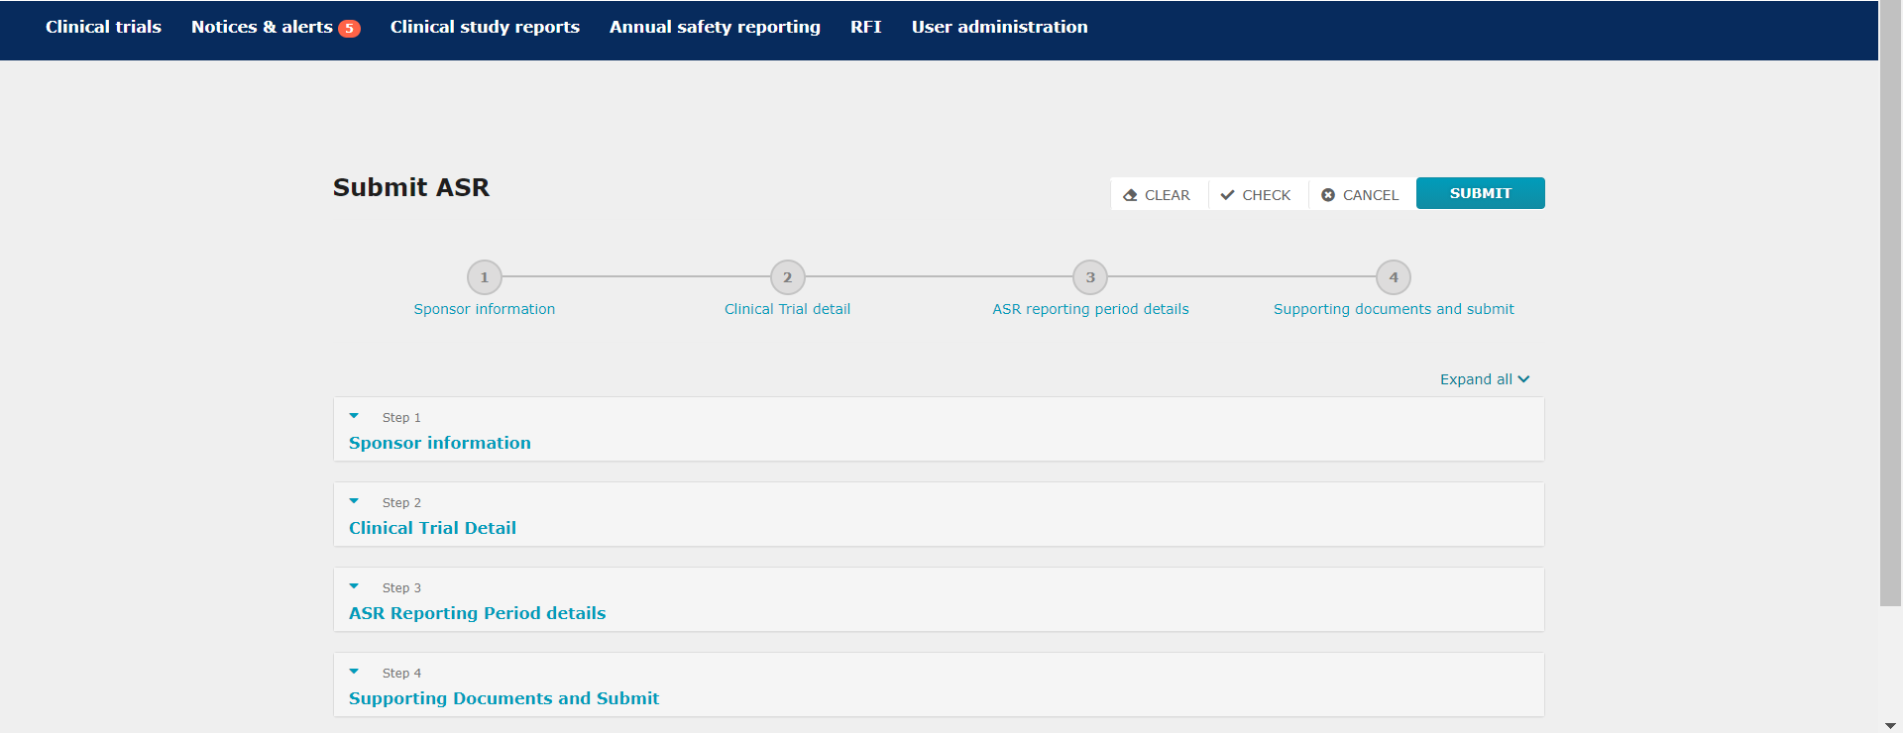
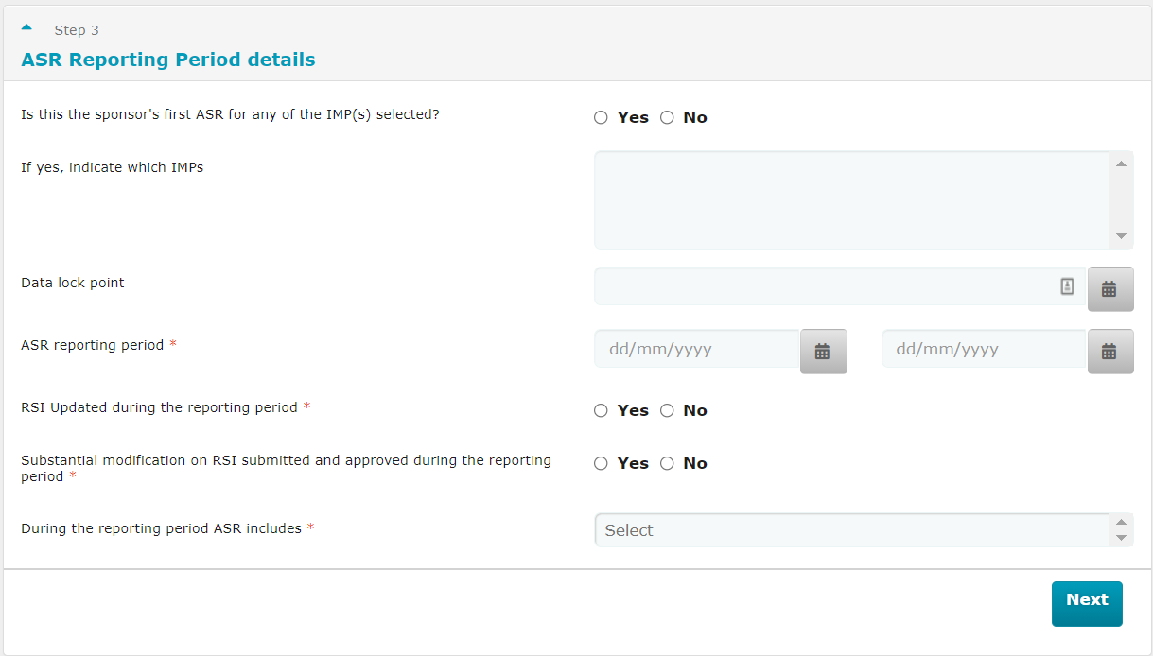
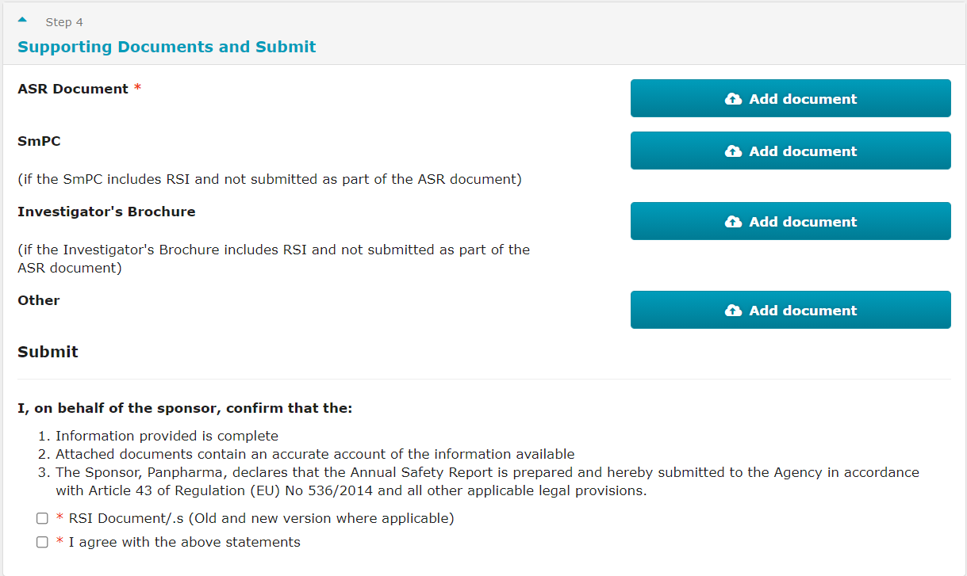
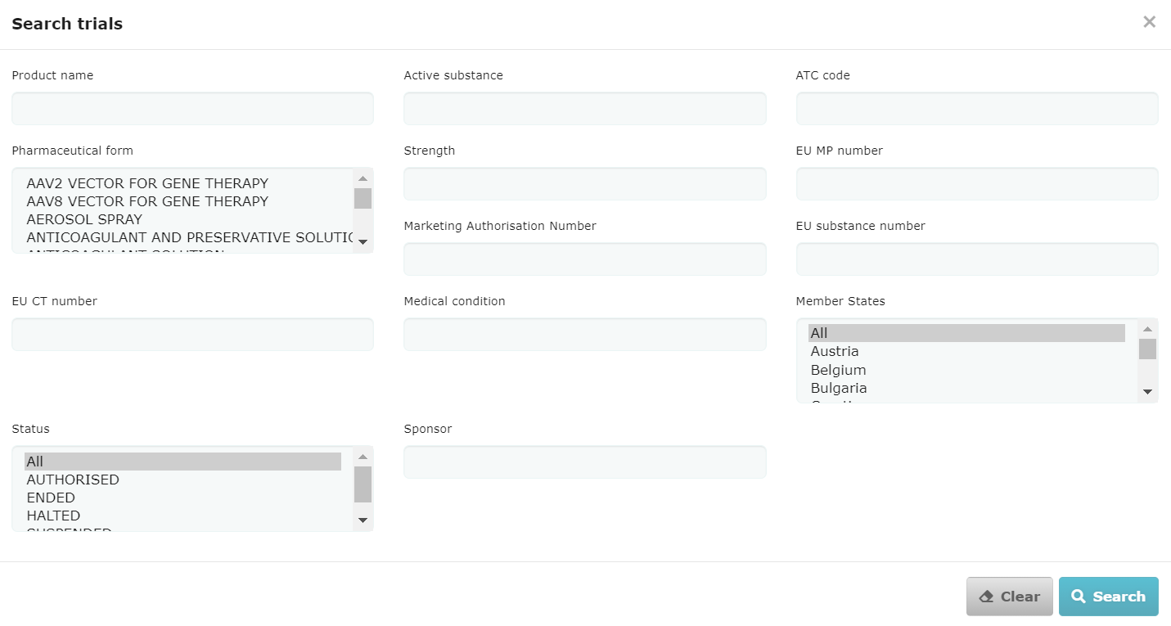
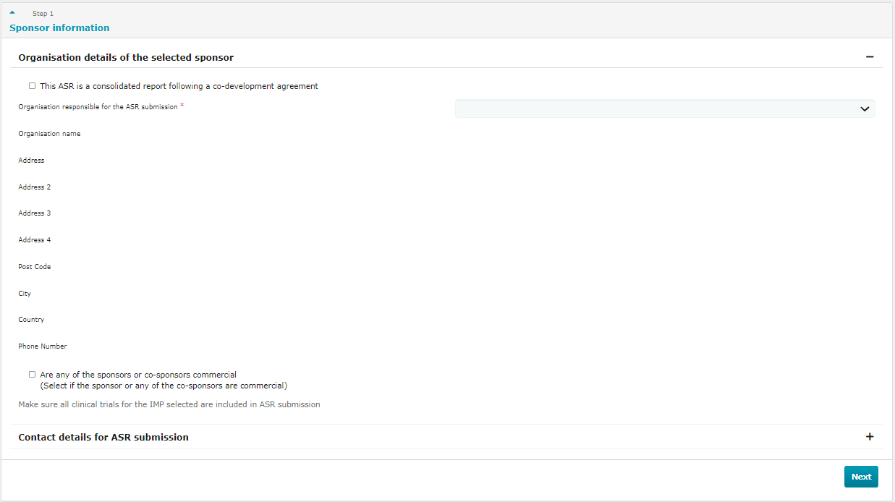

 | Unexpected event notification
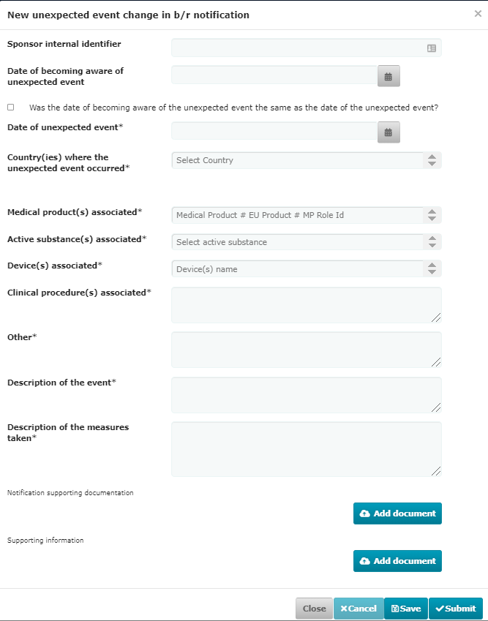

 | Serious breach notification
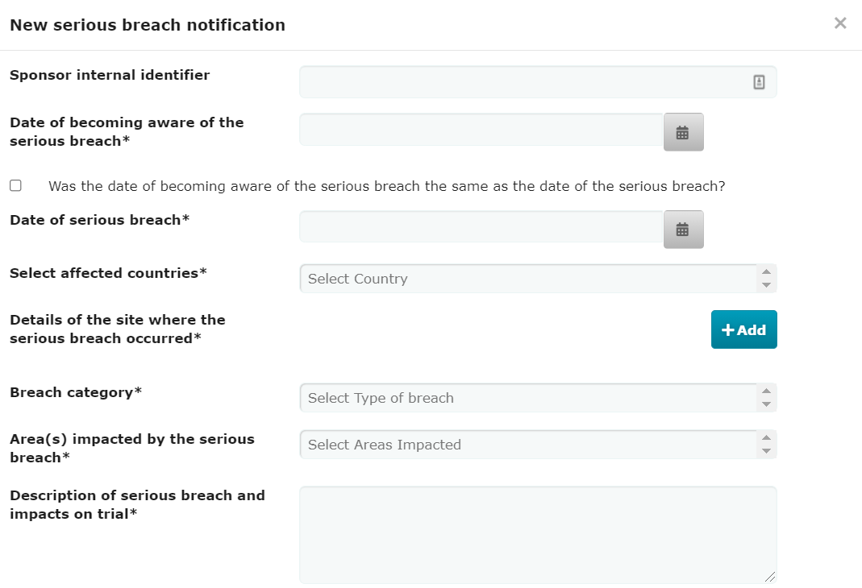

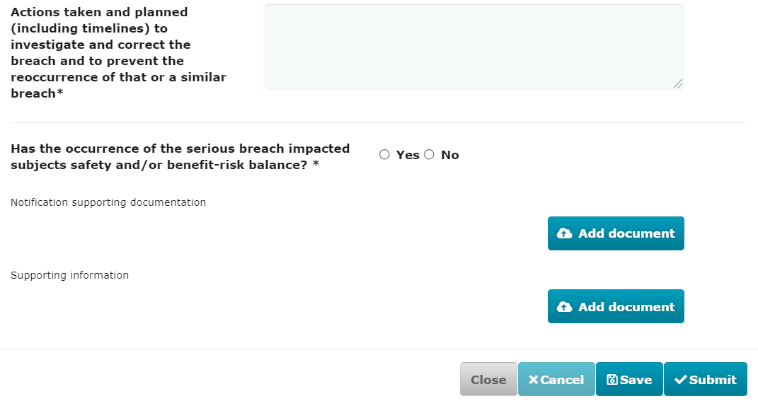

 | Urgent safety measure notification
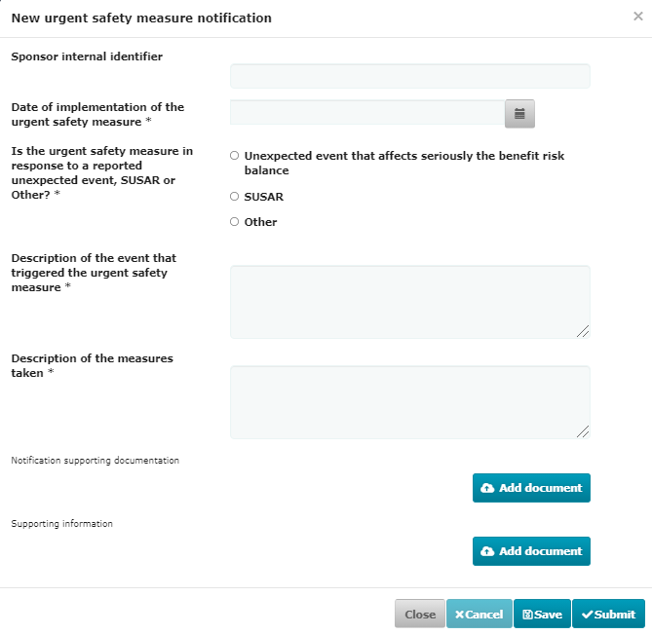

 | 3rd Country Inspectorate Inspection notification
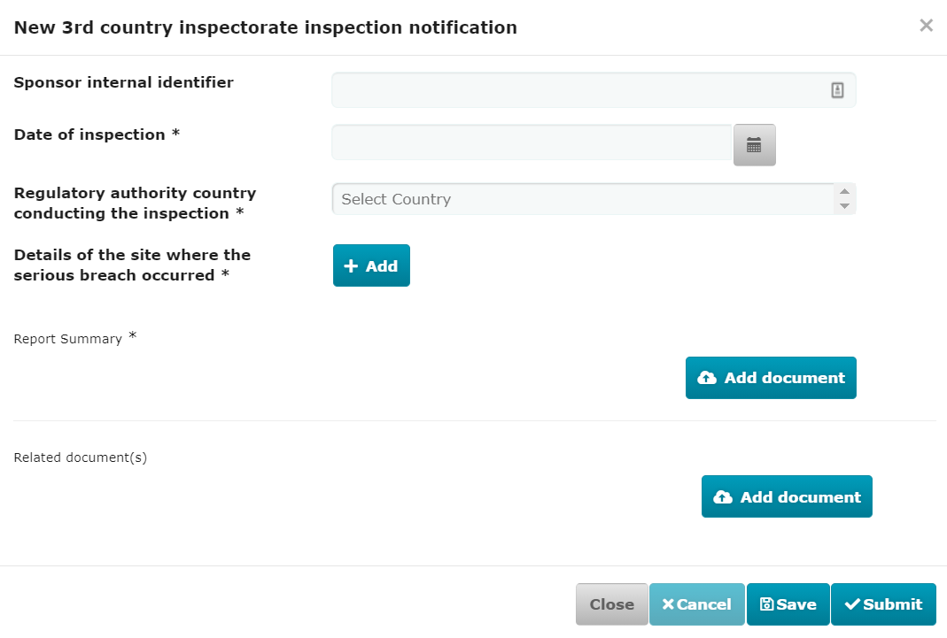

 | Clinical Study Report

