FRONT PAGE
Notices and Alerts per role
CTIS Training Programme - Module 7
^{Version 3 – February 2026}

© European Medicines Agency, 2026 Reproduction and/or distribution of the content of these training materials for non-commercial or commercial purposes is authorised, provided the European Medicines Agency is acknowledged as the source of the materials. The European Medicines Agency developed this training material to enhance public access to information on the Clinical Trial Information System (CTIS). The Agency does not warrant or accept any liability in relation to the use (in part or in whole) or the interpretation of the information contained in this training material by third parties.

INSTRUCTIONS
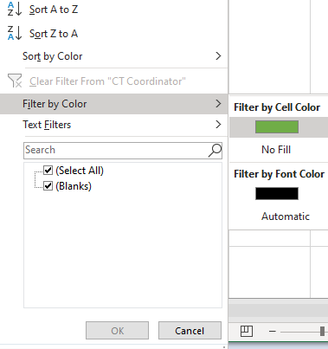
INSTRUCTIONS
DISCLAIMER: Please be aware that this document is based on the CT Messages artefact (notices& alerts in CTIS and the recipients roles of those) but translated into notices& alerts received per role . The system has been developed following these specifications, so any discrepancy observed when using the system is expected to be due to bugs pending to be fixed.
How to use this document:
- The sheet is divided into 5 tabs for each recipient organization: Member States (MS), Sponsors, European Medicines Agency (EMA), Ethics Comittee (EC), and Marketing Authorization Holder (MAH).
- To find the Notices and Alerts you can expect to receive for your role, go to the roles listed horizontally (i.e. CT Coordinator, Validator, etc.) and click on the drop down arrow, here choose "Filter by Color", and "Filter by Cell Color" and choose the green box. See screenshot below:
What are Notices and Alerts?
Notices and alerts are messages automatically triggered by the system that enable users to monitor the events occurred during the lifecycle of a clinical trial, either with an informative purpose (notices) or with an actionable purpose (alerts). Notices and alerts inform the user of the events occurring during the clinical trial application and the clinical trial itself (including notifications, corrective measures, ad hoc assessment, etc.). Notices and alerts can be distinguished as follows:
•Notices are messages that aim to inform the user of an event. Examples: Task completed by MS, Part I and Part II or Part I (only) or Part II (only) submitted, etc.
• Alerts are messages indicating an action that needs to be performed by the user. Examples: serious breach submitted by the sponsor, consideration has been shared, etc. CTIS includes a sub-type of alerts (‘alert reminders’) which are specifically aimed at reminding sponsor and authority users of actions or tasks, respectively, which are about to expire.
For more information please go to Module 04 of the Training Material, Support with Workload Management: sponsor and authority users: https://www.ema.europa.eu/en/human-regulatory/research-development/clinical-trials/clinical-trials-information-system-ctis-online-modular-training-programme.

