Overview
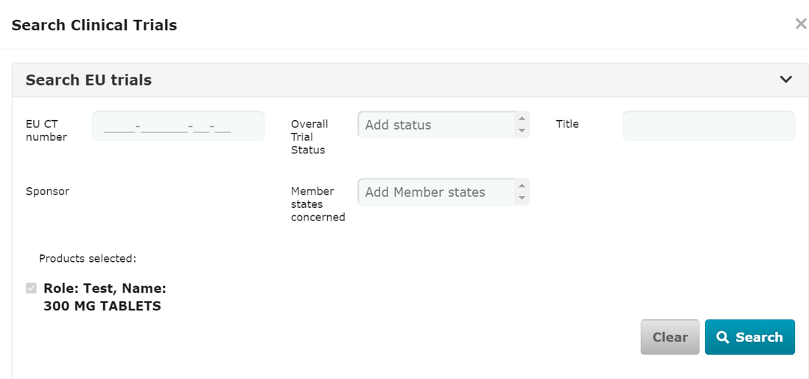
Official address Domenico Scarlattilaan 6 ● 1083 HS Amsterdam ● The Netherlands
Address for visits and deliveries Refer to www.ema.europa.eu/how-to-find-us
Send us a question Go to www.ema.europa.eu/contact Telephone +31 (0)88 781 6000
An agency of the European Union

2025-11-07
EMA/343883/2021
Clinical Trials Information System (CTIS) programme

CTIS Structured data form instructions - initial application, additional MSC application, (multitrial) substantial and non-substantial modifications, Request for Information (RFI)
Sponsor support material
Last updated: 7 November 2025

 | This document provides guidance on the data fields Sponsors will fill in CTIS when creating an initial application (IN), an additional MSC application (AM), a (Multi trial) substantial modification (SM)
 | non-substantial modification (non-SM) and a Request for Information (RFI). This document contains screenshots of the different sections of the system (CTIS software version 1.0.20.0). Please note that this is a live document that will be
 | revised on a regular basis based on future implementations of change requests and/or identified bugs.
 | Document layout overview
 |  | A. Each excel sheet refers to the different sections in CTIS when creating an application (Form, MSCs, Part I , Part II and Timetable).
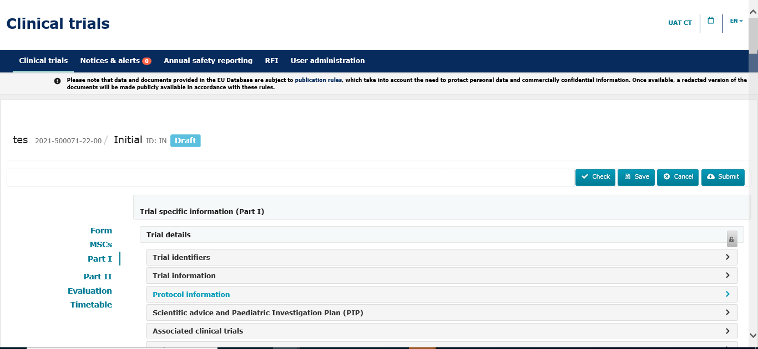

 |  | Note: Evaluation form does not apply. The structured data of "Timetable" section will be included in future updates of the document.

 |  | B. In each excel sheets, 'fields' are distinguished from 'documents' through color coding

 |  |  |  |  | Colour code:
 |  |  |  |  |  | Documents to be uploaded
 |  |  |  |  |  | Data fields to be completed

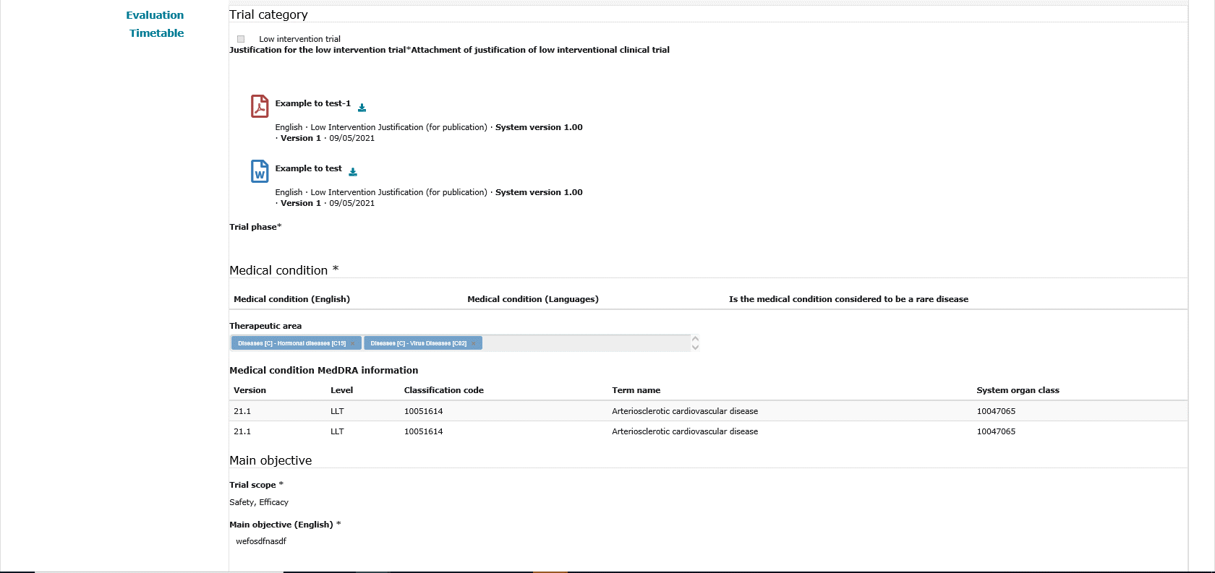

 |  |  |  | Documents to be uploaded

 |  |  |  | Fields to be filled in
 |  |  |  | Fields prepopulated with the results of the searches performed according to criteria presented in Worksheets Product Search, Medical condition Search and Organisation details Search.

 |  |  |  | Dialogue box

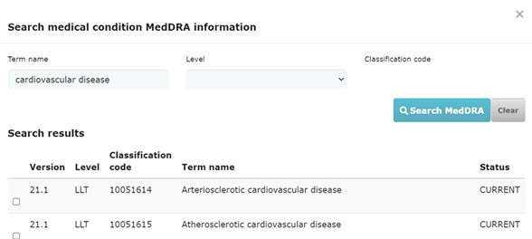

 |  |  |  | The user includes a search criteria

 |  |  |  | The user selects the required information according to the search results presented

 |  | C. Each excel sheet will be composed by the following columns
 |  | ID | Reference of the data field
 |  | Field Type | Type of field (Header, Lookup list, Radio button, Text, Numeric, Document upload)
 |  | Field Name | Field name in CTIS
 |  | Field Description | Brief description of the field
 |  | Cardinality | Information on whether the data input in the field is 0, 1, or many
 |  | Conformance | Information on whether the field/document is Conditionally required, Optional, Mandatory, Read Only
 |  | Document format | Specific format (.PDF, .Doc, etc) in which the document may be uploaded, when applicable.
 |  | Publication | Information on whether the field/document will made public (yes/no)
 |  | Publication Timelines | Data and documents disclosure timelines, which depend on the trial category, on the population age (in case of category 1 trials) and on the trial phase (in case of category 2 trials that are integrated phase 1 and 2).
 |  | Editable | Information on whether the field is editable under a given type of application (yes/no).
 |  | 1: As the system is currently implemented, only deferrals can be applied to data and documents in the initial application.

 |  | D. Data fields and documents specifications

 |  | When populating clinical trial information in CTIS, the following points should be considered:

 |  | 1) As a general rule, there is a limitation of 4000 characters for manual data free-text fields. Nevertheless, there are certain fields following masked values, i.e. PIP number (EMEA-111111-PIP11-11) or
 |  | fields with smaller sizes. These are further detailed in the column " field description" of each text field.

 |  | 2) The lookup lists present in the different sections contain the reference list number in the column "field description". Sponsors should refer to the "CTIS Reference list" document to see the elements
 |  | of each lookup list.

 |  | 3) According to functional specifications, the system will allow for a maximum attachment size of 50 MB per each clinical trial file and a maximum size of 220 GB for storage of a clinical trial.

 |  | 4) For those documents that have the 'publication' field marked as 'yes': each document upload functionality will present the possibility of including a version "for publication" and another "not for publication". Firstly, the system will only allow
 |  | for upload of the version "for publication". Once this version is uploaded, the user will be able to include the "not for publication" version by clicking on the following
 |  | plus symbol :

 |  |  |  |  |  |  | The user can upload the "not for publication" version of
 |  |  |  |  |  |  | a document

 |  | 5) Protocol and synopsis documents in SM and non-SM applications will present the possibility of uploading the version "extract (for publication)".

 |  | According to functional specifications, the following documents will present the version "extract " in SM and Non-SM applications, as applicable. They will follow the same rules as their parent document:

 |  | Part I: Protocol, Synopsis of the Protocol, Justification of the low interventional clinical trial, Data safety monitoring Board Charter, Agreement from another sponsor, Summary of scientific advice report,
 |  | Paediatric investigation plan, Study design.

 |  | Part II: Subject information and informed consent form, Recruitment arrangements, Suitability of the investigator, Investigator CV, Suitability of the clinical trial sites facilities, Financial arrangements,
 |  | Proof of insurance, Compliance with national requirements on Data Protection, Compliance with use of Biological samples

 | Form section

 |  | 1. The first section of the Applications contains different structured data, which will vary depending of the type of application (i.e: IN, AMSC, SM, non-SM).
 |  | Among others, it may contain the cover letter, proof of payment and trial category sections.
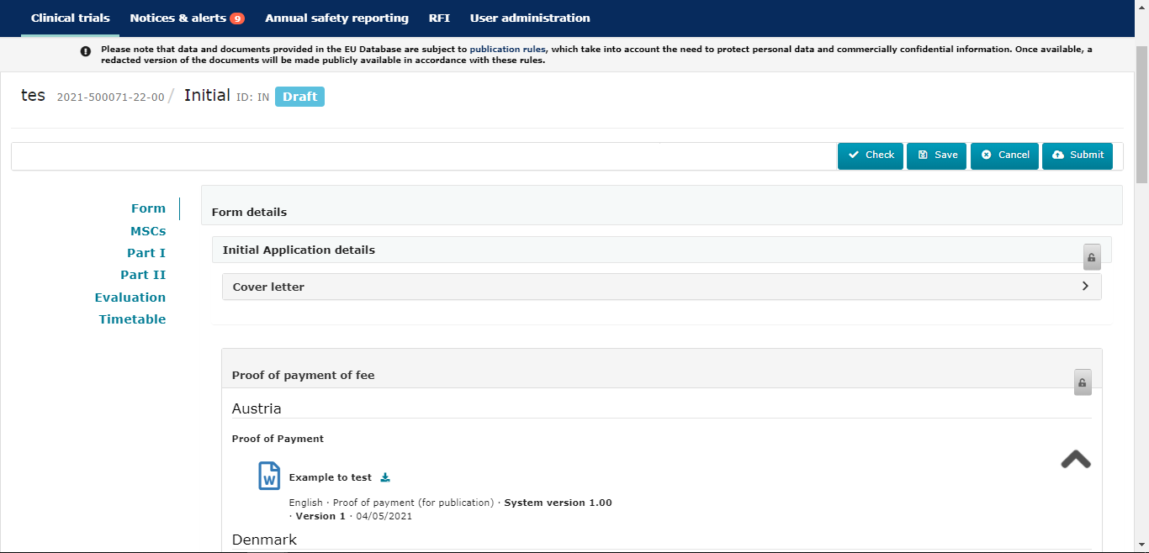

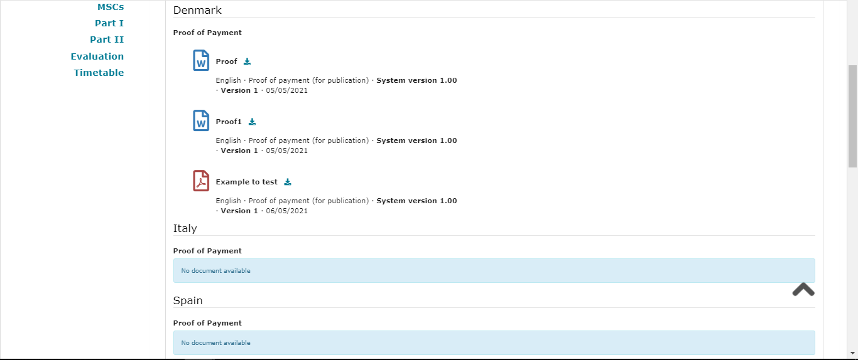

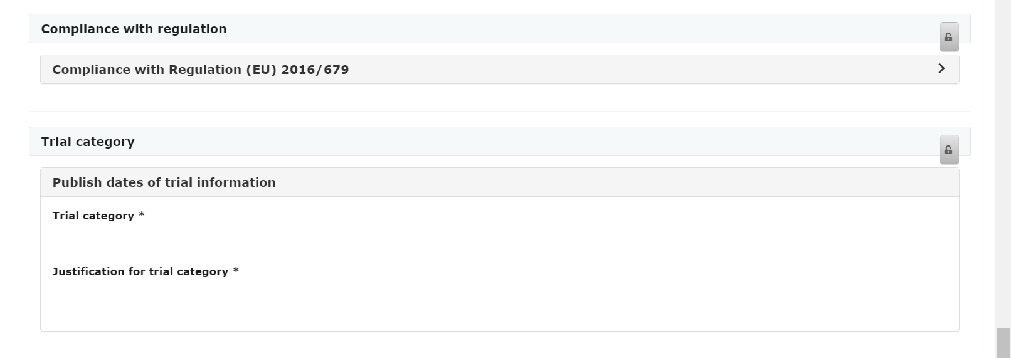

 | MSCs section
 |  | 2. The second section, the Member States Concerned, contains the same structured data in all applications.

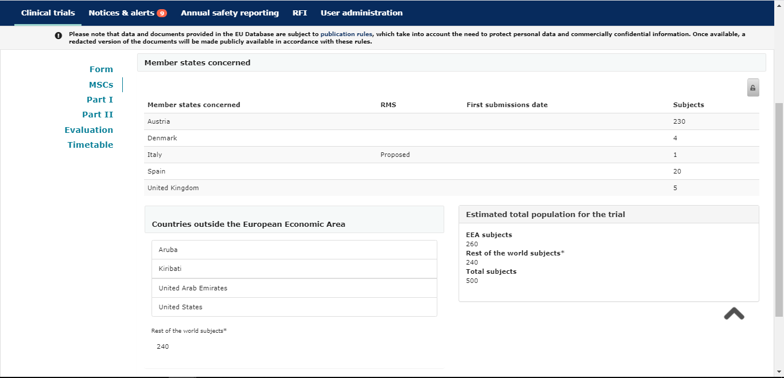

 | Part I section
 |  | 3. The third section, Part I, concerns the Trial details, Sponsors and Products sections.
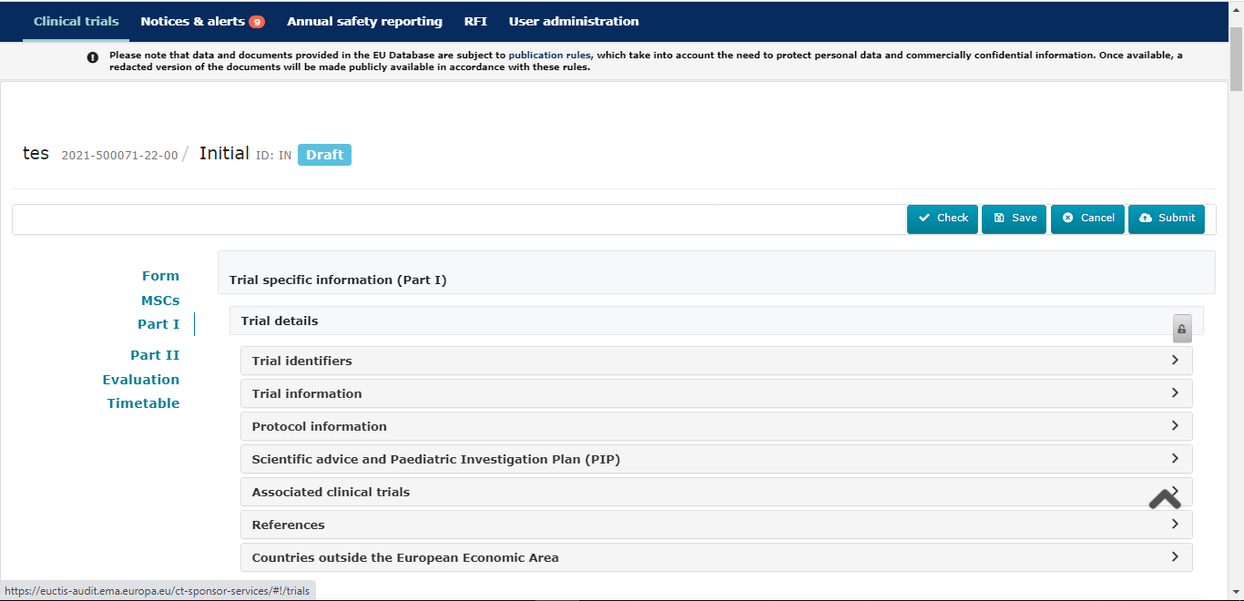

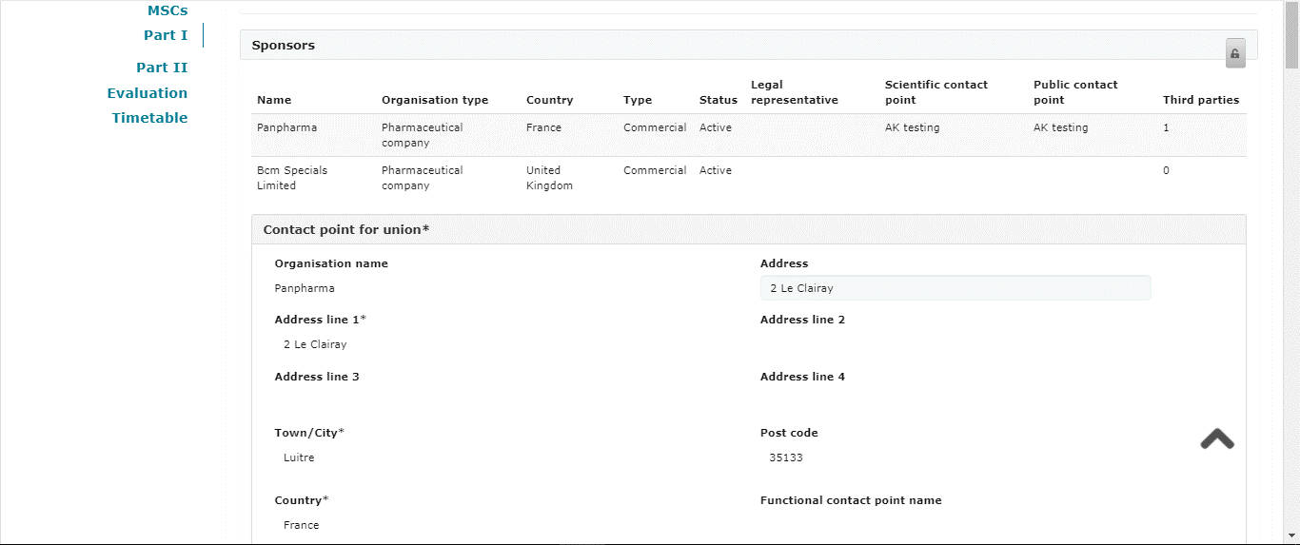

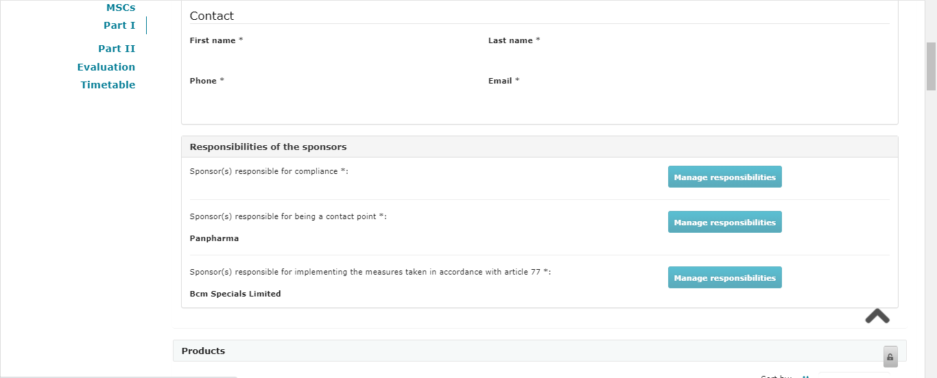

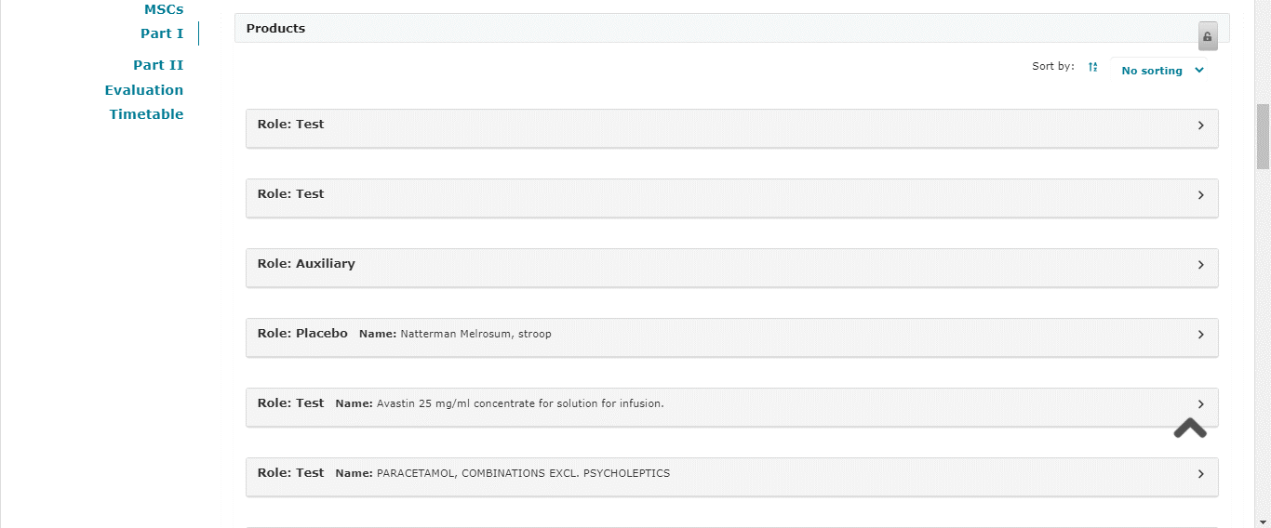

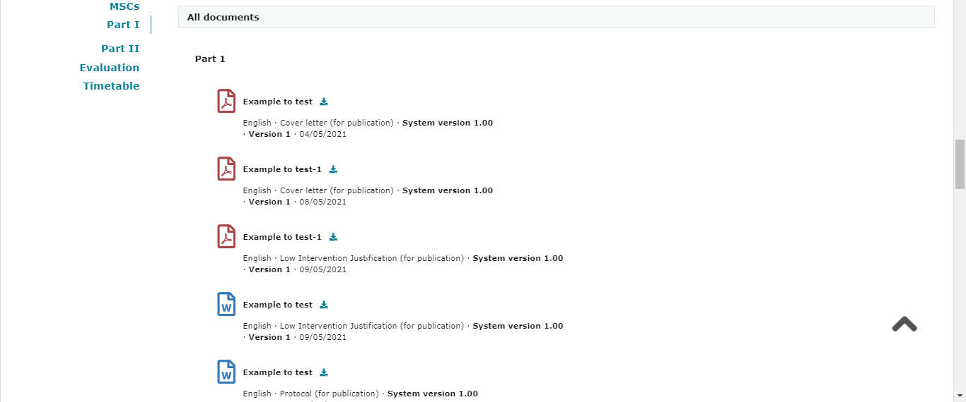

 | Part II section
 |  | 4. The fourth section, Part II, is displayed per Member State involved in the clinical trial (trial sites and documents).
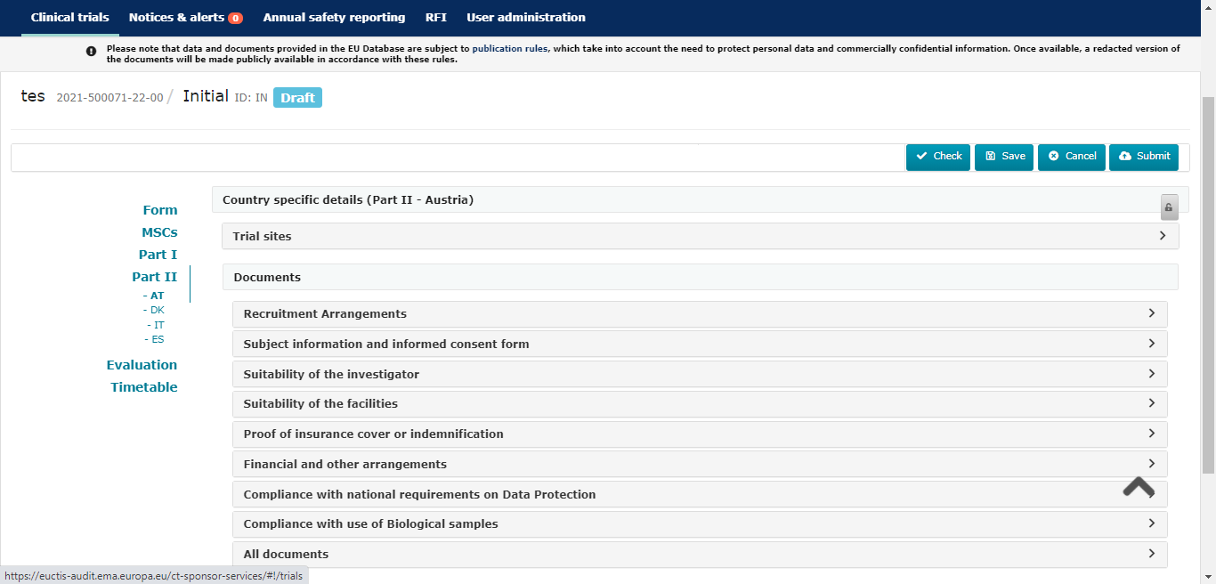

 | Response to RFI

 |  | 1. Sponsor may be requested for information through the so-called RFI functionality. Each RFI can be related to the validation, assessment Part I and/or assessment Part II
 |  | for different applications (IN, SM, Add MSC)
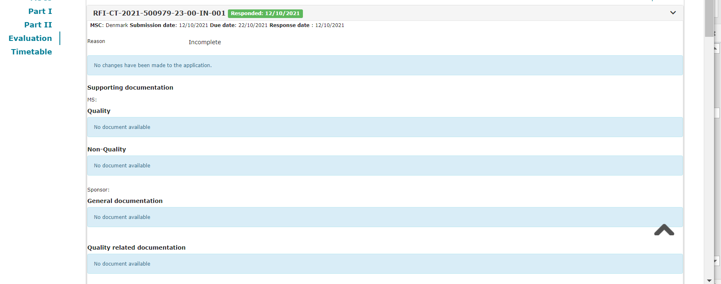

 | Searches

 |  | 5. Screenshot of the Medical Condition MedDRA information Search- Search MedDRA

 |  | 6. Screenshot of a Organisation Search in the Sponsors section. This Organization search functionality is available in different parts of the system, not only to indicate the sponsor
 |  | organization but also investigator sites, third parties etc.). CTIS calls the Organization Managent System at EMA, where this information is registered, and users are obliged to search in OMS
 |  | from CTIS in the first place. If the user does not find the Organization that they are looking for from the search results displayed, then the user can register the Organization directly in CTIS
 |  | using the "+ New Organization" button.

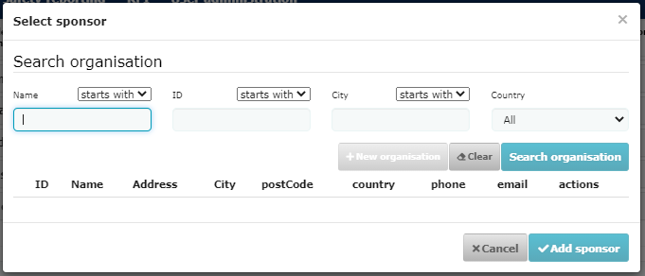

 |  | 7. Screenshot of Clinical trial Search in Part I.


 |  | 8. Screenshot of a Product Search in the Products section, information is collected from XEVMPD. CTIS calls the XEVMPD Dictionary where this type of information is registered.
 |  | Note: Placebo can be added direcly in CTIS withouth previous registration in XEVMPD.
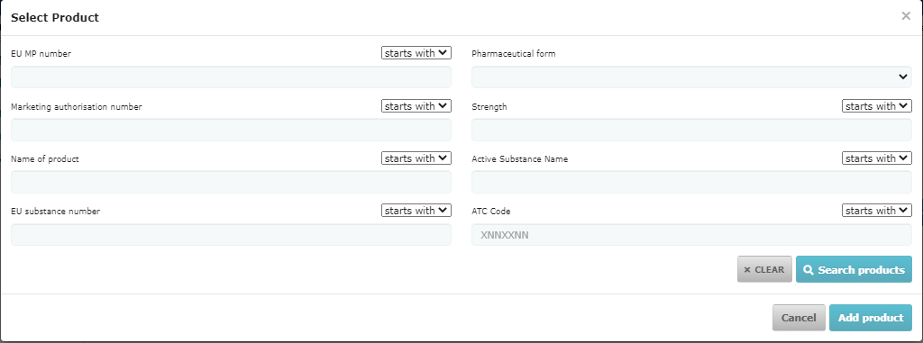

 |  | 9. Screenshot of Clinical trial Search in Multi Trial SM.

